Project5201
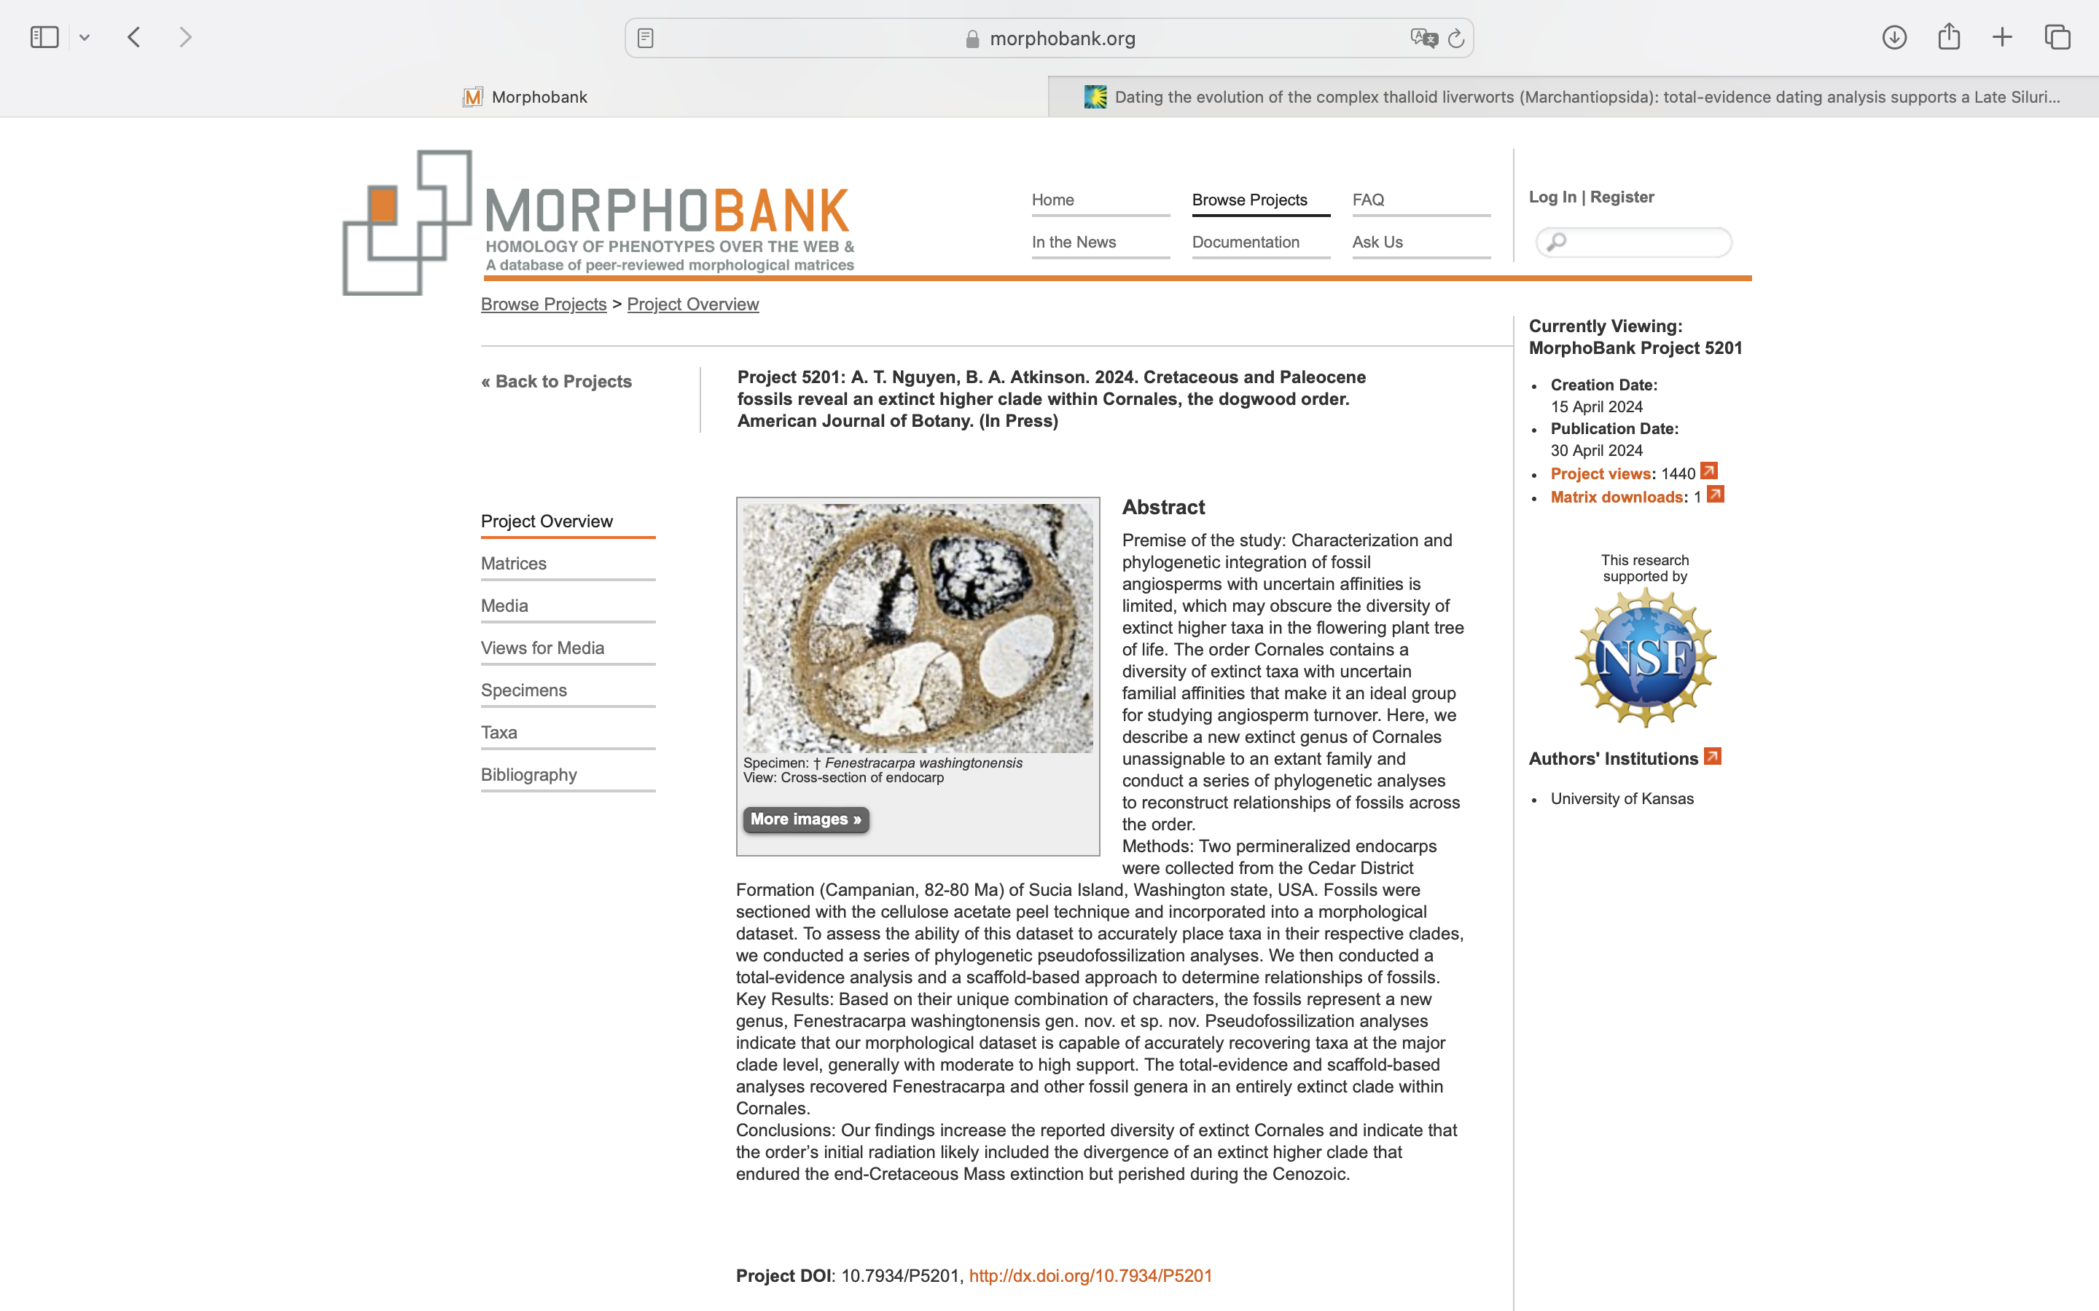
Charlabels | Character Pattern | Unseen States
[1] 'Ovary position' | Transformational | YES
[2] 'Fruit type' | Transformational | NO
[3] 'Capsule dehiscence' | Transformational | YES
[4] 'Capsule dehiscence procession' | Transformational | YES
[5] 'Fruit fusion' | Transformational | NO
[6] 'Number of locules/fruit' | Transformational | NO
[7] 'Symplicate zone' | Neomorphic | NO
[8] 'General endocarp structure' | Transformational | YES
[9] 'Endocarp shape' | Transformational | NO
[10] 'Apical depression on endocarp' | Neomorphic | NO
[11] 'Acuminate apex' | Neomorphic | NO
[12] 'Germination valves' | Neomorphic | NO
[13] 'Germination valve length' | Transformational | YES
[14] 'Pits/circular depressions on endocarp germination valve/dorsal exterior surface' | Neomorphic | NO
[15] 'Grooves on endocarp valve/dorsal area exterior surface' | Neomorphic | NO
[16] 'Valve/dorsal area exterior groove morphology' | Transformational | YES
[17] 'Groove(s) on endocarp valve/dorsal area interior surface' | Neomorphic | NO
[18] 'Ridges on endocarp valve/dorsal area exterior surface' | Neomorphic | NO
[19] 'Germination valve/dorsal exterior ridge morphology' | Transformational | YES
[20] 'Ridge(s) on endocarp ventral area interior surface' | Neomorphic | NO
[21] 'Endocarp septal/ventral area exterior groove(s)' | Neomorphic | NO
[22] 'Endocarp septal/ventral area exterior ridge(s)' | Neomorphic | NO
[23] 'Locule shape in cross section' | Transformational | YES
[24] 'Crescent-shaped locule morphology in cross section' | Transformational | YES
[25] 'Germination valve/dorsal area depression' | Neomorphic | NO
[26] 'Fertile locules' | Transformational | NO
[27] 'Abortive locules seen in mature fruits' | Neomorphic | NO
[28] 'Conspicuous locule lining' | Neomorphic | NO
[29] 'Conspicuous inner endocarp' | Neomorphic | NO
[30] 'Isodiametric sclereids in germination valve/dorsal area' | Neomorphic | NO
[31] 'Elongated sclereids in germination valve/dorsal area' | Neomorphic | NO
[32] 'Fibers in germination valve/dorsal area' | Neomorphic | NO
[33] 'Parenchyma in germination valve/dorsal area' | Neomorphic | NO
[34] 'Isodiametric sclereids in septa and central axis/ventral area' | Neomorphic | NO
[35] 'Elongated sclereids in septa and central axis/ventral area' | Neomorphic | NO
[36] 'Fibers in septa and central axis/ventral area' | Neomorphic | NO
[37] 'Parenchyma in septa and central axis' | Neomorphic | NO
[38] 'Idioblasts in central axis' | Neomorphic | NO
[39] 'Endocarp fibers in chaotic/interwoven multiseriate groups' | Neomorphic | NO
[40] 'Secretory cavities' | Neomorphic | NO
[41] 'Secretory cavities forming uniseriate cycle around locules' | Neomorphic | NO
[42] 'Resin canals' | Neomorphic | NO
[43] 'Resin canals forming uniseriate cycle around locules' | Neomorphic | NO
[44] 'Inner endocarp histology' | Transformational | YES
[45] 'Vascular bundles in central axis/ventral area' | Neomorphic | NO
[46] 'Position of vascular bundles in central axis' | Transformational | YES
[47] 'Vascular bundles towards outer periphery of septa or ventral endocarp tissue' | Neomorphic | NO
[48] 'Transseptal bundles ending blindly in septum' | Neomorphic | NO
[49] 'Transseptal bundles entering endocarp' | Transformational | YES
[50] 'Vascular bundles in longitudinal rows in septa' | Neomorphic | NO
[51] 'Fibers associated with vascular bundles' | Neomorphic | NO
[52] 'Vascular bundles within exterior grooves on germination valve/dorsal area surface' | Neomorphic | NO
[53] 'Vascular bundles running parallel along exterior ridges on germination valve/dorsal area surface' | Neomorphic | NO
[54] 'Vascular bundles running parallel next to ridges on germination valve/dorsal area surface' | Neomorphic | NO
[55] 'Vascular bundles within germination valve/dorsal area tissue' | Neomorphic | NO
[56] 'Persistent calyx/tepal lobes' | Neomorphic | NO
[57] 'Transition sclereids' | Neomorphic | NO
[58] 'Resin canals in mesocarp' | Neomorphic | NO
[59] 'Laticifers in mesocarp' | Neomorphic | NO
[60] 'Mesocarp texture at maturity' | Transformational | YES
[61] 'Wings formed by pericarp' | Neomorphic | NO
[62] 'Dense layer of large trichomes on exocarp at maturity' | Neomorphic | NO
[63] 'Position of raphe within drupaceous fruits' | Transformational | YES
[64] 'Placental morphology' | Transformational | NO
[65] 'Number of placentae per locule' | Transformational | NO
[66] 'Placentation' | Transformational | YES
[67] 'Number of ovules per locule' | Transformational | NO
[68] 'Number of cell layers in integument/seed coat' | Transformational | NO
[69] 'Chalazal wing' | Neomorphic | NO
[70] 'Seed coat surface' | Transformational | YES
[71] 'Copious endosperm' | Neomorphic | NO

